Cover
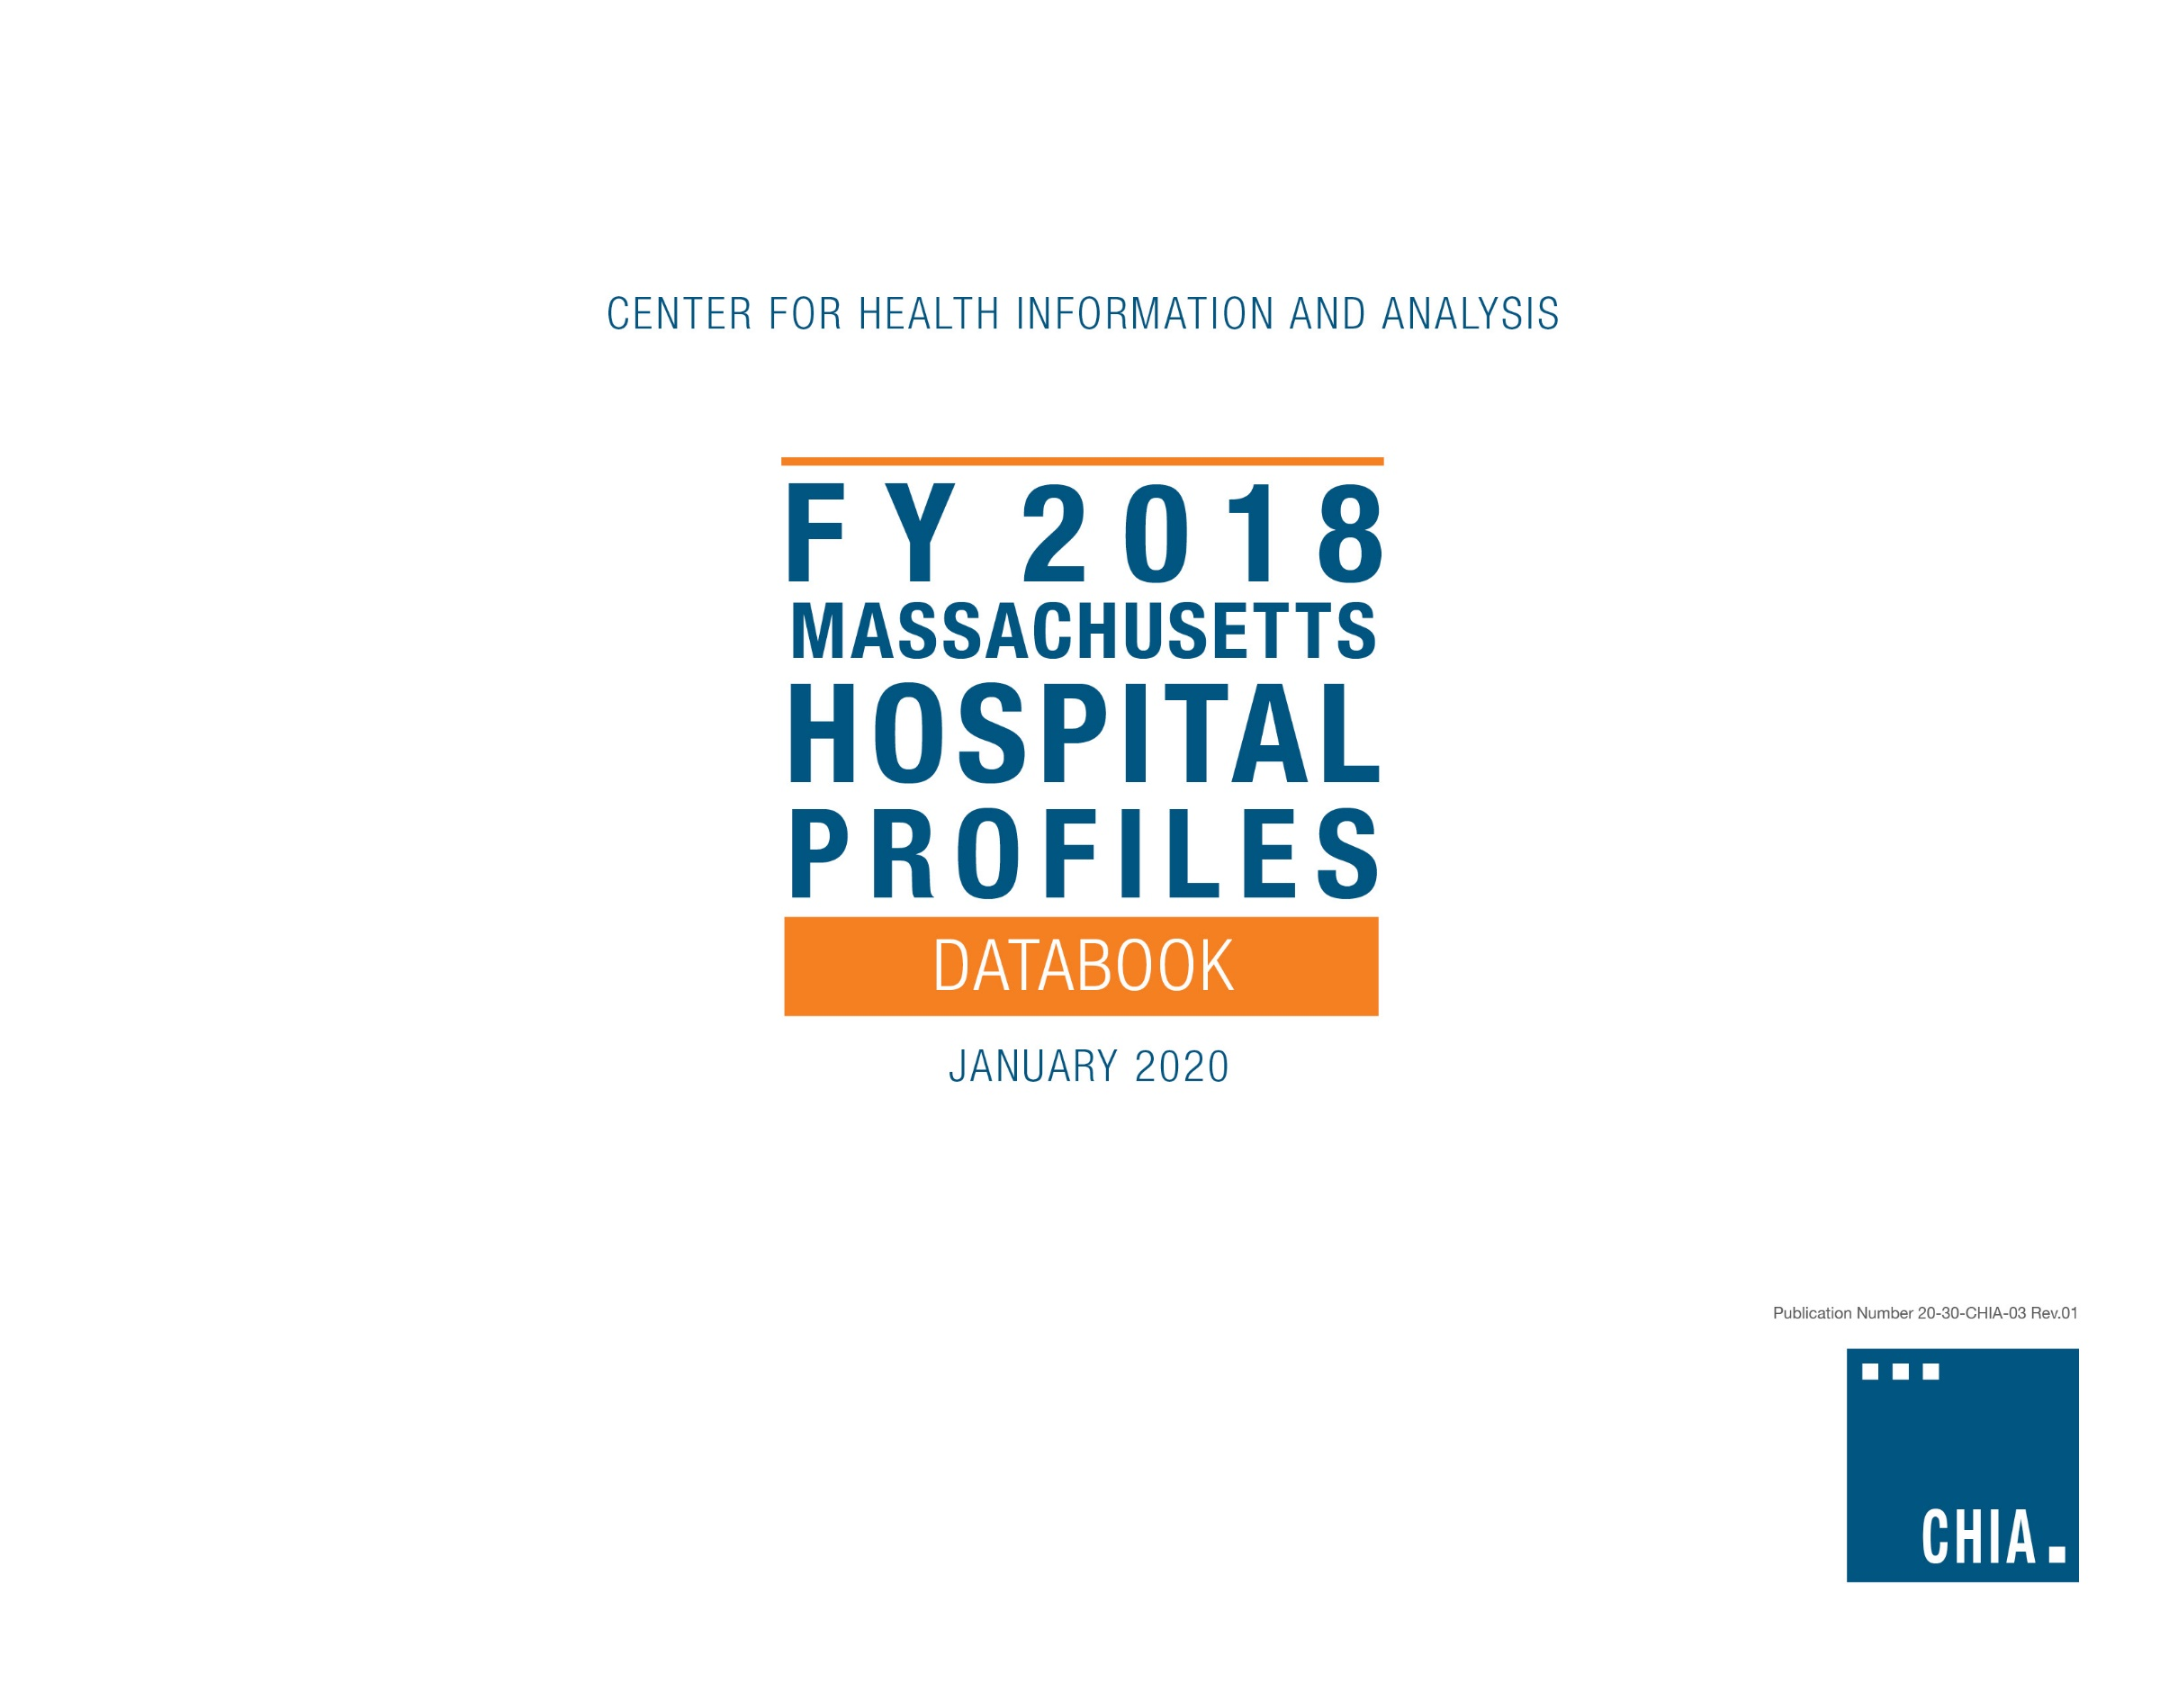

Appendix H
ACUTE HOSPITAL
 |  |  |  | Top 10 DRGs in FY18, by Hospital* |  |  |  |  |  |  |  |  |  |  | Distribution of Cases by Severity, FY18
Name | ORGID | FACID | Cohort | Normal Neonate Birth | Vaginal Delivery | Septicemia Infections | Heart Failure | Cesarean Delivery | Knee Joint Replacement | Other Pneumonia | Chronic Obstructive Pulmonary Disease | Hip Joint Replacement | Cardiac Arrhythmia | All Other Cases | 1 - Lowest | 2 | 3 | 4 | 5 - Highest | Total Discharges
Anna Jaques Hospital | 1 | 2006 | Community Hospital | 681 | 464 | 212 | 222 | 227 | 322 | 207 | 250 | 158 | 141 | 4,477 | 3,562 | 1,457 | 2,041 | 268 | 33 | 7,361
Athol Hospital | 2 | 2226 | Community High Public Payer Hospital | 0 | 0 | 0 | 58 | 0 | 0 | 78 | 97 | 0 | 0 | 406 | 467 | 159 | 12 | 0 | 0 | 639
Baystate Franklin Medical Center | 5 | 2120 | Community High Public Payer Hospital | 370 | 268 | 307 | 213 | 111 | 64 | 159 | 160 | 48 | 95 | 3,125 | 2,495 | 1,243 | 839 | 326 | 17 | 4,920
Baystate Medical Center | 4 | 2339 | Teaching Hospital | 3,301 | 2,491 | 1,567 | 1,649 | 1,293 | 1,014 | 575 | 650 | 616 | 520 | 28,739 | 17,890 | 9,366 | 7,826 | 5,110 | 2,222 | 42,415
Baystate Noble Hospital | 106 | 2076 | Community High Public Payer Hospital | 0 | 0 | 333 | 129 | 0 | 25 | 77 | 84 | 0 | 54 | 2,259 | 1,188 | 987 | 611 | 164 | 10 | 2,961
Baystate Wing Hospital | 14495 | 2181 | Community High Public Payer Hospital | 0 | 0 | 425 | 197 | 0 | 29 | 126 | 82 | 0 | 108 | 2,331 | 1,316 | 1,073 | 740 | 163 | 6 | 3,298
Berkshire Medical Center | 6309 | 2313 | Community High Public Payer Hospital | 630 | 536 | 874 | 678 | 196 | 307 | 334 | 186 | 273 | 221 | 11,070 | 6,326 | 5,039 | 2,434 | 1,344 | 163 | 15,305
Beth Israel Deaconess Hospital - Milton | 98 | 2227 | Community Hospital | 0 | 0 | 540 | 372 | 0 | 505 | 220 | 135 | 396 | 150 | 3,492 | 2,468 | 1,626 | 1,210 | 473 | 33 | 5,810
Beth Israel Deaconess Hospital - Needham | 53 | 2054 | Community Hospital | 0 | 0 | 440 | 241 | 0 | 44 | 119 | 56 | 85 | 76 | 1,771 | 1,250 | 1,156 | 271 | 142 | 13 | 2,832
Beth Israel Deaconess Hospital - Plymouth | 79 | 2082 | Community High Public Payer Hospital | 755 | 521 | 654 | 377 | 279 | 465 | 377 | 302 | 280 | 212 | 7,529 | 5,536 | 3,232 | 2,114 | 671 | 198 | 11,751
Beth Israel Deaconess Medical Center | 8702 | 2069 | Academic Medical Center | 4,382 | 3,310 | 1,049 | 949 | 1,656 | 473 | 424 | 0 | 433 | 354 | 27,426 | 15,059 | 7,954 | 7,009 | 6,917 | 3,516 | 40,456
Boston Children's Hospital | 46 | 2139 | Specialty Hospital | 0 | 0 | 0 | 0 | 0 | 0 | 307 | 0 | 0 | 0 | 13,916 | 3,465 | 3,305 | 2,128 | 2,894 | 2,431 | 14,223
Boston Medical Center | 3107 | 2307 | Academic Medical Center | 2,351 | 1,693 | 763 | 840 | 980 | 361 | 376 | 367 | 338 | 0 | 18,339 | 10,984 | 5,291 | 4,955 | 3,757 | 1,421 | 26,408
Brigham and Women's Faulkner Hospital | 59 | 2048 | Community Hospital | 0 | 0 | 243 | 358 | 0 | 630 | 184 | 188 | 230 | 127 | 8,058 | 3,356 | 3,129 | 1,866 | 1,457 | 211 | 10,018
Brigham and Women's Hospital | 22 | 2921 | Academic Medical Center | 5,022 | 3,939 | 628 | 820 | 2,033 | 492 | 377 | 0 | 663 | 473 | 32,945 | 16,527 | 8,241 | 7,842 | 8,821 | 5,960 | 47,392
Cambridge Health Alliance | 3108 | 2108 | Teaching Hospital | 1,016 | 761 | 477 | 386 | 293 | 0 | 128 | 257 | 0 | 85 | 7,280 | 5,016 | 2,642 | 2,073 | 904 | 49 | 10,683
Cape Cod Hospital | 39 | 2135 | Community High Public Payer Hospital | 742 | 528 | 2,053 | 507 | 257 | 374 | 316 | 0 | 378 | 252 | 11,588 | 5,765 | 5,406 | 3,283 | 1,840 | 700 | 16,995
Cooley Dickinson Hospital | 50 | 2155 | Community Hospital | 490 | 354 | 305 | 219 | 157 | 190 | 168 | 252 | 106 | 168 | 4,672 | 3,352 | 1,597 | 1,484 | 554 | 94 | 7,081
Dana-Farber Cancer Institute | 51 | 2335 | Specialty Hospital | 0 | 0 | 0 | 0 | 0 | 0 | 0 | 0 | 0 | 0 | 1,304 | 152 | 297 | 130 | 485 | 241 | 1,304
Emerson Hospital | 57 | 2018 | Community Hospital | 1,147 | 792 | 408 | 235 | 435 | 209 | 129 | 102 | 148 | 161 | 4,781 | 3,906 | 2,145 | 1,573 | 800 | 123 | 8,547
Fairview Hospital | 8 | 2052 | Community High Public Payer Hospital | 124 | 85 | 110 | 43 | 35 | 41 | 40 | 0 | 26 | 27 | 497 | 577 | 284 | 135 | 30 | 2 | 1,028
Falmouth Hospital | 40 | 2289 | Community High Public Payer Hospital | 306 | 193 | 1,022 | 282 | 126 | 278 | 131 | 103 | 183 | 85 | 3,518 | 2,670 | 2,277 | 930 | 326 | 25 | 6,227
Harrington Memorial Hospital | 68 | 2143 | Community High Public Payer Hospital | 0 | 0 | 229 | 256 | 0 | 105 | 160 | 300 | 74 | 94 | 3,239 | 1,991 | 1,150 | 940 | 361 | 15 | 4,457
HealthAlliance-Clinton Hospital | 14496 | 2034 | Community High Public Payer Hospital | 606 | 472 | 363 | 365 | 195 | 135 | 389 | 324 | 94 | 173 | 4,866 | 4,270 | 2,044 | 1,206 | 385 | 77 | 7,982
Heywood Memorial Hospital | 73 | 2036 | Community High Public Payer Hospital | 376 | 347 | 137 | 219 | 82 | 147 | 191 | 269 | 109 | 88 | 2,998 | 2,549 | 853 | 1,113 | 435 | 12 | 4,963
Holyoke Medical Center | 77 | 2145 | Community High Public Payer Hospital | 402 | 301 | 643 | 258 | 121 | 117 | 148 | 324 | 76 | 152 | 4,443 | 3,318 | 1,911 | 1,177 | 536 | 42 | 6,985
Lahey Hospital & Medical Center | 6546 | 2033 | Teaching Hospital | 0 | 0 | 1,457 | 955 | 0 | 455 | 491 | 245 | 529 | 547 | 19,318 | 7,262 | 7,147 | 3,769 | 4,117 | 1,702 | 23,997
Lawrence General Hospital | 83 | 2099 | Community High Public Payer Hospital | 1,324 | 880 | 547 | 542 | 504 | 113 | 267 | 303 | 0 | 237 | 7,704 | 6,672 | 2,681 | 1,862 | 945 | 261 | 12,421
Lowell General Hospital | 85 | 2040 | Community High Public Payer Hospital | 2,038 | 1,399 | 1,122 | 994 | 781 | 597 | 746 | 594 | 397 | 370 | 12,548 | 10,793 | 5,087 | 3,366 | 1,806 | 535 | 21,586
Marlborough Hospital | 133 | 2103 | Community High Public Payer Hospital | 0 | 0 | 245 | 199 | 0 | 120 | 211 | 158 | 75 | 68 | 2,774 | 1,707 | 1,046 | 799 | 277 | 20 | 3,850
Martha's Vineyard Hospital | 88 | 2042 | Community Hospital | 120 | 63 | 80 | 33 | 60 | 69 | 53 | 27 | 42 | 27 | 771 | 678 | 414 | 230 | 23 | 0 | 1,345
Massachusetts Eye and Ear Infirmary | 89 | 2167 | Specialty Hospital | 0 | 0 | 0 | 0 | 0 | 0 | 0 | 0 | 0 | 0 | 1,187 | 124 | 104 | 248 | 334 | 378 | 1,187
Massachusetts General Hospital | 91 | 2168 | Academic Medical Center | 3,181 | 2,599 | 1,062 | 1,071 | 1,054 | 779 | 712 | 447 | 803 | 727 | 41,823 | 16,362 | 11,364 | 9,160 | 11,074 | 6,299 | 54,258
MelroseWakefield Hospital (Hallmark Health) | 3111 | 2038 | Community High Public Payer Hospital | 746 | 533 | 393 | 536 | 245 | 202 | 351 | 341 | 137 | 245 | 6,040 | 4,731 | 2,396 | 1,863 | 692 | 87 | 9,769
Mercy Medical Center | 6547 | 2149 | Community High Public Payer Hospital | 1,134 | 886 | 461 | 531 | 326 | 230 | 379 | 370 | 0 | 207 | 12,334 | 7,085 | 5,279 | 2,529 | 1,573 | 392 | 16,858
MetroWest Medical Center | 3110 | 2020 | Community High Public Payer Hospital | 959 | 645 | 545 | 383 | 382 | 97 | 183 | 176 | 107 | 224 | 7,498 | 4,646 | 2,628 | 2,870 | 925 | 130 | 11,199
Milford Regional Medical Center | 97 | 2105 | Community Hospital | 832 | 581 | 635 | 530 | 298 | 150 | 305 | 315 | 117 | 241 | 5,673 | 5,300 | 2,594 | 1,095 | 545 | 143 | 9,677
Morton Hospital, A Steward Family Hospital | 99 | 2022 | Community High Public Payer Hospital | 0 | 0 | 553 | 355 | 0 | 101 | 220 | 278 | 75 | 180 | 3,871 | 2,669 | 1,831 | 725 | 354 | 54 | 5,633
Mount Auburn Hospital | 100 | 2071 | Teaching Hospital | 2,404 | 1,865 | 491 | 380 | 640 | 242 | 347 | 224 | 246 | 243 | 7,492 | 7,986 | 2,638 | 2,402 | 1,168 | 381 | 14,574
Nantucket Cottage Hospital | 101 | 2044 | Community Hospital | 139 | 99 | 50 | 35 | 38 | 0 | 30 | 0 | 0 | 0 | 329 | 458 | 190 | 62 | 8 | 1 | 720
Nashoba Valley Medical Center, A Steward Family Hospital | 11467 | 2298 | Community High Public Payer Hospital | 0 | 0 | 44 | 110 | 0 | 28 | 93 | 138 | 57 | 74 | 1,468 | 974 | 486 | 463 | 88 | 2 | 2,012
New England Baptist Hospital | 103 | 2059 | Specialty Hospital | 0 | 0 | 0 | 0 | 0 | 3,452 | 0 | 0 | 3,067 | 0 | 2,044 | 42 | 37 | 7,102 | 611 | 772 | 8,563
Newton-Wellesley Hospital | 105 | 2075 | Community Hospital | 3,295 | 2,512 | 738 | 487 | 1,119 | 641 | 271 | 132 | 659 | 249 | 9,513 | 10,014 | 3,586 | 3,804 | 1,782 | 429 | 19,616
North Shore Medical Center | 345 | 2073 | Community High Public Payer Hospital | 1,084 | 800 | 859 | 956 | 354 | 330 | 508 | 525 | 331 | 417 | 12,154 | 8,640 | 4,661 | 3,326 | 1,391 | 300 | 18,318
Northeast Hospital | 3112 | 2007 | Community High Public Payer Hospital | 2,010 | 1,516 | 907 | 656 | 594 | 780 | 568 | 437 | 558 | 423 | 12,606 | 10,086 | 4,531 | 4,830 | 1,381 | 227 | 21,055
Saint Vincent Hospital | 127 | 2128 | Teaching Hospital | 1,684 | 1,218 | 960 | 760 | 556 | 465 | 501 | 595 | 544 | 352 | 11,524 | 9,065 | 4,545 | 3,170 | 1,832 | 547 | 19,159
Shriners Hospitals for Children - Boston | 6963 | 2316 | Specialty Hospital | 0 | 0 | 0 | 0 | 0 | 0 | 0 | 0 | 0 | 0 | 154 | 7 | 5 | 22 | 22 | 98 | 154
Shriners Hospitals for Children - Springfield | 11718 | 2152 | Specialty Hospital | 0 | 0 | 0 | 0 | 0 | 0 | 0 | 0 | 0 | 0 | 142 | 2 | 8 | 34 | 46 | 52 | 142
Signature Healthcare Brockton Hospital | 25 | 2118 | Community High Public Payer Hospital | 846 | 669 | 813 | 288 | 227 | 224 | 199 | 497 | 158 | 226 | 6,773 | 5,528 | 2,800 | 1,674 | 813 | 105 | 10,920
South Shore Hospital | 122 | 2107 | Community Hospital | 2,796 | 1,971 | 1,855 | 965 | 1,091 | 400 | 946 | 842 | 375 | 501 | 17,977 | 15,280 | 7,642 | 4,104 | 2,137 | 556 | 29,719
Southcoast Hospital Group | 3113 | 2010 | Community High Public Payer Hospital | 2,884 | 2,211 | 2,009 | 1,659 | 1,022 | 376 | 1,183 | 1,524 | 390 | 982 | 21,865 | 17,950 | 9,004 | 4,553 | 3,621 | 978 | 36,105
Steward Carney Hospital | 42 | 2003 | Teaching Hospital | 0 | 0 | 357 | 202 | 0 | 48 | 87 | 102 | 0 | 70 | 3,885 | 1,746 | 1,768 | 827 | 383 | 27 | 4,751
Steward Good Samaritan Medical Center | 8701 | 2101 | Community High Public Payer Hospital | 1,121 | 798 | 740 | 664 | 405 | 312 | 499 | 462 | 162 | 301 | 11,853 | 8,297 | 5,360 | 2,258 | 1,073 | 328 | 17,317
Steward Holy Family Hospital | 75 | 2225 | Community High Public Payer Hospital | 965 | 639 | 489 | 581 | 427 | 287 | 425 | 426 | 219 | 260 | 8,306 | 5,956 | 2,752 | 3,071 | 1,027 | 218 | 13,024
Steward Norwood Hospital | 41 | 2114 | Community High Public Payer Hospital | 423 | 310 | 342 | 444 | 144 | 153 | 202 | 179 | 144 | 308 | 7,832 | 4,522 | 2,878 | 2,239 | 774 | 69 | 10,481
Steward Saint Anne's Hospital | 114 | 2011 | Community High Public Payer Hospital | 0 | 0 | 479 | 387 | 0 | 444 | 375 | 432 | 254 | 217 | 7,142 | 4,293 | 2,838 | 1,757 | 682 | 160 | 9,730
Steward St. Elizabeth's Medical Center | 126 | 2085 | Teaching Hospital | 752 | 547 | 216 | 229 | 337 | 0 | 102 | 93 | 0 | 147 | 11,043 | 3,830 | 2,916 | 2,788 | 2,776 | 1,155 | 13,466
Sturdy Memorial Hospital | 129 | 2100 | Community High Public Payer Hospital | 596 | 418 | 489 | 321 | 209 | 225 | 355 | 490 | 123 | 140 | 4,466 | 4,288 | 2,180 | 950 | 366 | 48 | 7,832
Tufts Medical Center | 104 | 2299 | Academic Medical Center | 968 | 804 | 444 | 384 | 437 | 257 | 239 | 148 | 228 | 253 | 13,240 | 5,622 | 3,250 | 3,196 | 3,229 | 2,103 | 17,402
UMass Memorial Medical Center | 3115 | 2841 | Academic Medical Center | 3,694 | 2,831 | 1,785 | 921 | 1,285 | 341 | 681 | 504 | 354 | 410 | 28,834 | 16,237 | 9,713 | 6,843 | 6,217 | 2,630 | 41,640
Winchester Hospital | 138 | 2094 | Community Hospital | 2,065 | 1,499 | 422 | 462 | 746 | 368 | 582 | 292 | 253 | 194 | 6,214 | 7,896 | 2,186 | 2,031 | 838 | 146 | 13,097

*DRGs with fewer than 26 discharges from a hospital have been suppressed. These cases are captured within the All Other Cases line.
*DRGs with fewer than 26 discharges from a hospital have been suppressed. These cases are captured within the All Other Cases line.

