Cover
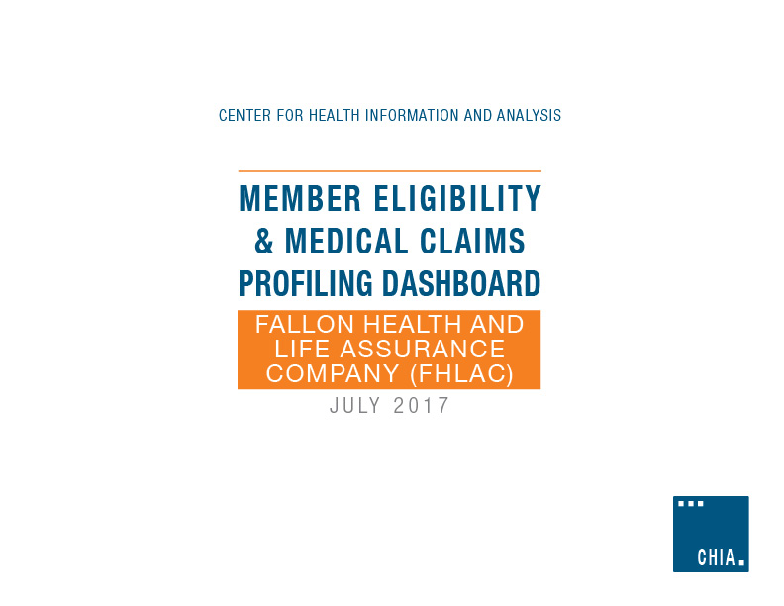

Technical Summary
APCD Member Eligibility & Medical Claims Profiling Dashboard
Overview and Technical Summary

Dashboard Overview:
This dashboard serves to provide APCD users with a general understanding of payer data quality for specific elements within the APCD Member Eligibility (ME) and Medical Claims (MC) files. Data quality assessments and comments should be viewed within the analytic context described in this technical summary and may not apply to all analyses. Some findings remain unconfirmed by payers.
Some dashboard cells have been highlighted to help users quickly identify the reliability or consistency of certain data fields for use in analysis:
• Cells shaded Green: The data element is highly reliable. While there may be some minor imperfections within the data, it can be used for analytic purposes.
• Cells shaded Yellow: Users should exercise caution using the data element as it contains inconsistencies or other nuances that may make it unreliable for analytic purposes.
• Cells shaded Red: The data element is not reliable for analytic purposes.
• Cells shaded Gray: The data element's reliability has not been evaluated.
Technical Summary:
Data used to populate this dashboard was sourced from MA APCD Release Version 5.0 Medical Claims (MC) and Member Eligibility (ME) data. State Fiscal Year 2015 (July 2014 – June 2015) enrollment was generated from December 2015 ME submissions. For each month of the year, a “snapshot” was captured of members enrolled on the 15th of the month; these members were included in SFY2015 member month counts. Using the Carrier Specific Unique Member ID (ME107), medical claims with SFY2015 dates of service were linked to the specified member population. Linked/merged data results may vary depending on methodology used.
Certain sections of this dashboard note that the data is subset by certain specifications, which are as follows:
Enrollment Trends specifications:
• Member State or Province (ME016) = MA
• Primary Insurance Indicator (ME028) = 1,3, or 4
• Medical Coverage (ME018) = 1
Final Version Medical Claim Lines:
• VersionIndicator = 1
Derived Fields: CHIA derived the 'MHPrimDX', 'SUDPrimDX', and 'BH_SUD_IND' fields using a HEDIS lookup table. Please refer to the 'Specification - Primary Diagnosis' tab for detailed specifications.
Tab Specific Information:
High Level Summary Tab:
• This tab is populated for the payer's Fully- and Self-Insured populations, should both coverage types be applicable. Additional comments are provided in column E.
• 'Claims triangles' present the relationship between the dates claims are incurred and paid; they are useful analytic tools for identifying high-level data anomalies.
• For the 'Summary of Mental Health/Substance Use Disorder' section:
• 'Commercial non-MMCO' refers to product types other than Medicaid MCO (InsuranceTypeCodeProduct = MC or MO).
• 'Commercial MMCO' refers to Medicaid MCO product types only (InsuranceTypeCodeProduct = MC or MO).
• There are two percentages for each row in this section because the typical ranges are different for Medicaid MCO product types vs others.
FI-High Level Financial Stats and SI-High Level Financial Stats:
• Financial information has been separated into Fully-Insured and Self-Insured tabs.
• Payer Specific Formulas:
• Unless otherwise noted, below is the standard calculation used to determine 'Payer Paid' and 'Patient Total Out of Pocket' within the APCD:
• Payer Paid = Paid Amount + Pre-Paid Amount + Withhold Amount
• Patient Total Out of Pocket Amount = Copay Amount + Coinsurance Amount + Deductible Amount
• Confidence Level: CHIA has input a confidence level for certain fields where possible to give users insight into the reliability or consistency of those fields.
Specification - Primary Diagnosis:
• This tab details the HEDIS codes used to identify Substance Use Disorder (SUD) and Mental Health primary diagnoses.

