Cover
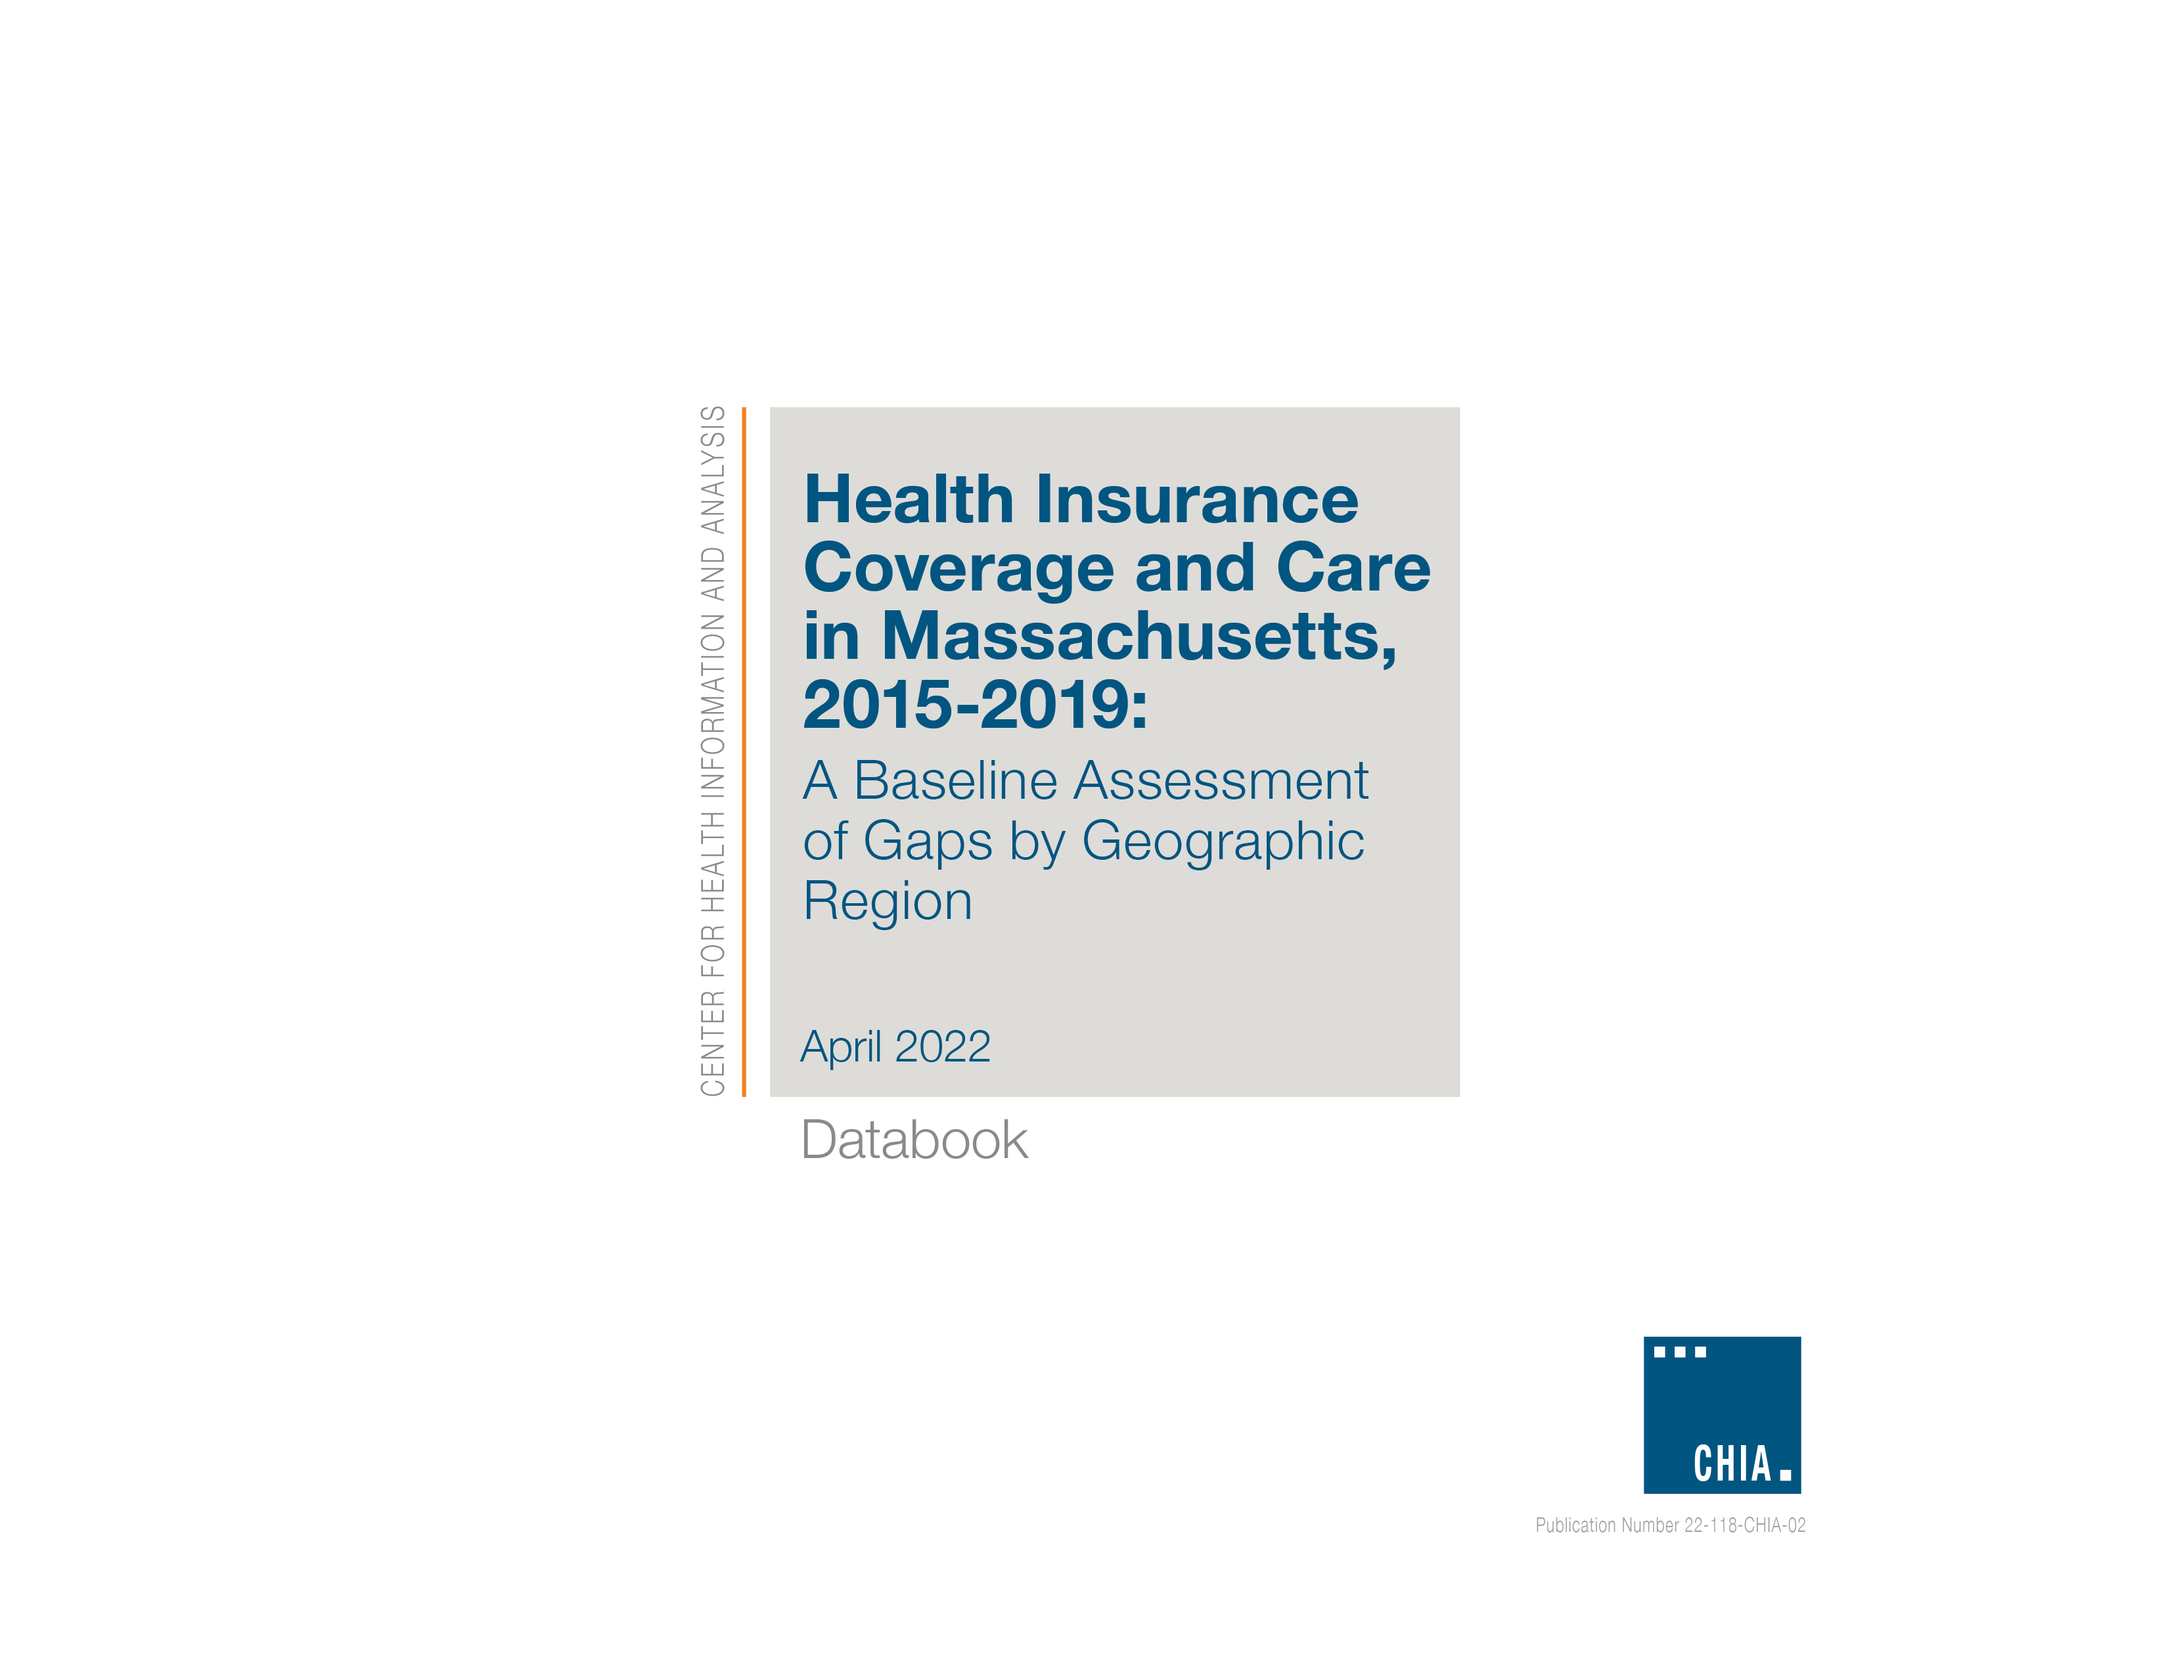

7
Health Insurance Coverage and Care in Massachusetts, 2015-2019: Summary of Results
(April 2022)

Any Difficulties in Accessing Health Care at a Doctor’s Office or Clinic over the Past 12 Months

 | 2015-2019
 |  | SD | +1 SD | -1 SD
Statewide Estimate | 27.9% | 0.021 | 30.1% | 25.8%

Regions | Population | Est. | 95% C.I.
Cape and Islands* | 73,339 | 30.1% | 26.7% | 33.5%
Central MA | 226,002 | 29.3% | 26.8% | 31.8%
Metro Boston | 488,503 | 29.5% | 27.6% | 31.4%
Metro South* | 211,493 | 25.1% | 22.9% | 27.3%
Metro West | 187,194 | 27.0% | 24.1% | 30.0%
$$≥$$
Northeast MA | 382,701 | 25.9% | 23.5% | 28.2%
Southcoast* | 106,972 | 31.2% | 27.4% | 35.0%
Western MA | 236,909 | 28.9% | 26.6% | 31.2%
Statewide Estimate | 1,912,775 | 27.9% | 27.0% | 28.9%

Note: *Regions with an estimate of at least one standard deviation above or below the statewide estimate. Data source: Massachusetts Health Insurance Survey: 2015, 2017, 2019
Est.= Estimate; C.I.= Confidence Interval

