Cover
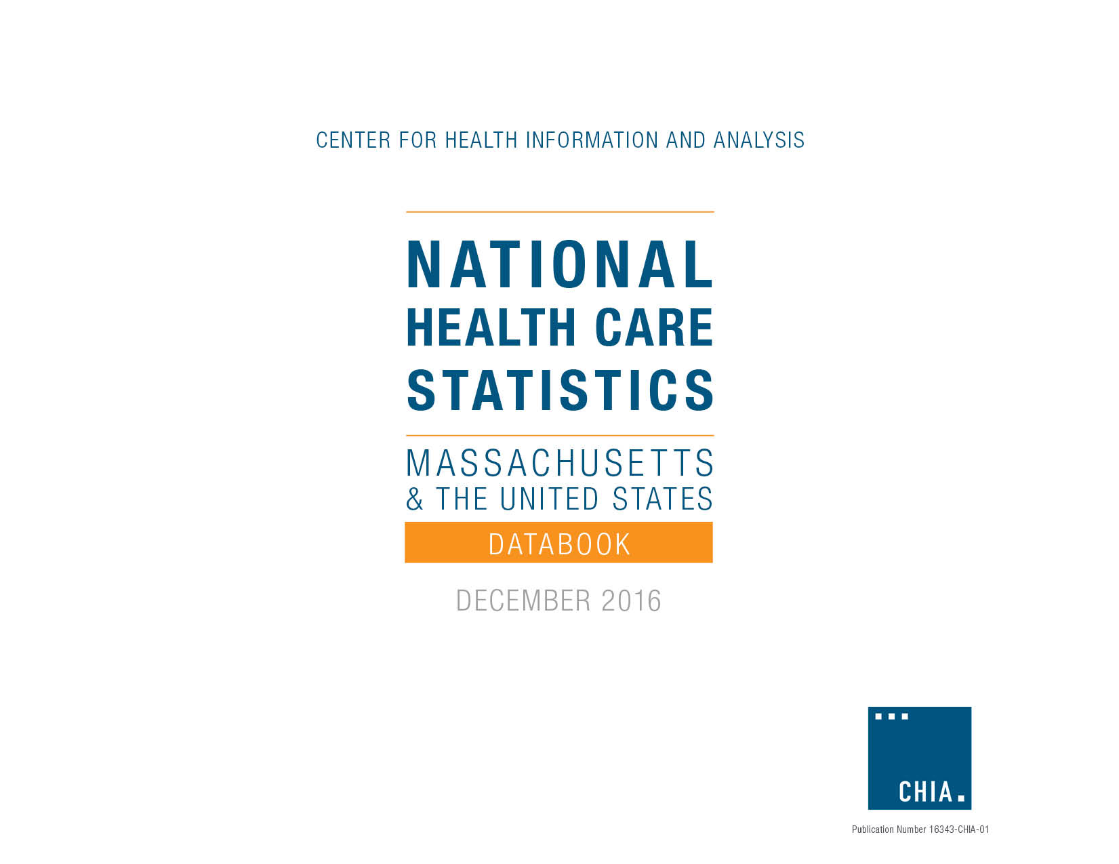
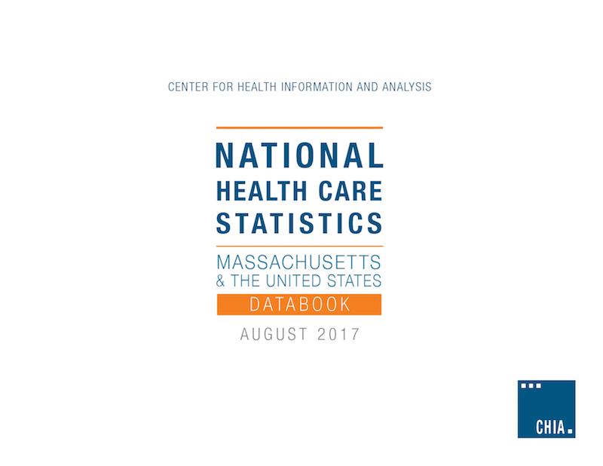

Index
National Health Care Statistics
Massachusetts and the United States

Health Insurance Statistics
1: Access
2: Enrollment
3: Premiums
4: Deductibles, Copays, Coinsurance
S: Data Sources
T: Technical Appendix and Definitions

CHIA’s National Health Care Statistics highlights U.S. and Massachusetts frequently-requested federal health care data points. It includes measures of health insurance enrollment, access, costs, and spending that are measured and reported for both Massachusetts and the nation by national, non-CHIA sources. In order to be included, sources must be reliable, must have produced data for at least two recent consecutive years for both Massachusetts and the U.S., and CHIA must anticipate that the data will continue to be measured and reported for the foreseeable future. Currently, sources include the U.S. Census American Community and Current Population Surveys, the U.S. Department of Health and Human Services Agency for Healthcare Research and Quality (AHRQ) Medical Expenditure Panel Survey – Insurance Component (MEPS-IC); the U.S. Centers for Medicare and Medicaid Services (CMS), and Kaiser Family Foundation. In the workbook, links to the source are provided next to each measure. If no link exists, the data has not yet been updated by the source.
Data in this workbook are provided by CHIA for informational purposes only. This Appendix provides a brief description of each source and an overview of the methods for the production data produced by that source, including any necessary definitions.

For more information, please contact Amy Wyeth, Senior Health Policy Analyst, at amy.wyeth@state.ma.us


Version: 2017_08_02

