Sheet1
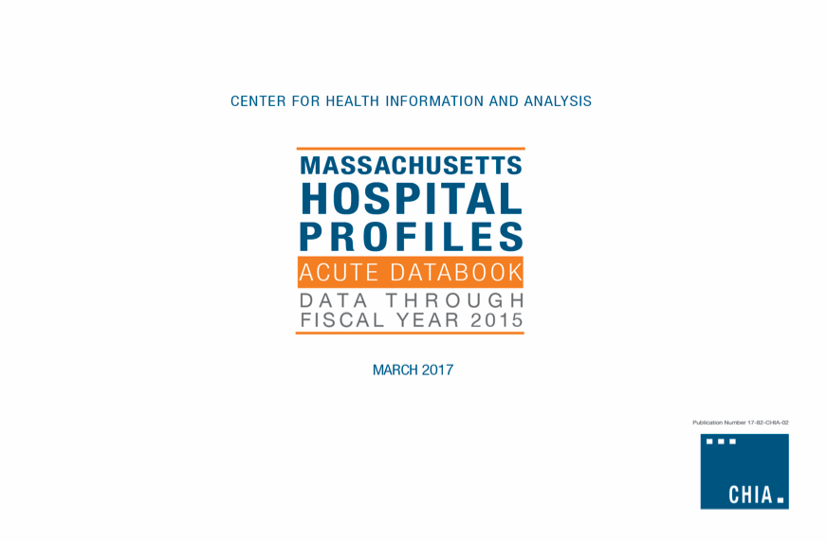

Appendix H
 |  |  |  | Top 10 DRGs in FY15, by Hospital* |  |  |  |  |  |  |  |  |  |  | Distribution of Cases by Severity, FY15
Name | Fac ID | OrgID | Cohort | Neonate birthwt >2499g, normal newborn or neonate w other problem | Vaginal delivery | Septicemia & disseminated infections | Heart failure | Cesarean delivery | Other pneumonia | Chronic obstructive pulmonary disease | Knee joint replacement | Hip joint replacement | Cellulitis & other bacterial skin infections | All Other Cases | 1 - Lowest | 2 | 3 | 4 | 5 - Highest | Total Discharges
Anna Jaques Hospital | 2006 | 1 | Community Hospital | 663 | 467 | 167 | 210 | 227 | 306 | 288 | 130 | 108 | 132 | 4582 | 3738 | 1441 | 1789 | 262 | 50 | 7280
Athol Hospital | 2226 | 2 | Community, High Public Payer | 0 | 0 | 0 | 36 | 0 | 58 | 62 | 0 | 0 | 26 | 424 | 336 | 109 | 157 | 4 |  | 606
Baystate Medical Center | 2339 | 4 | Teaching Hospital | 3418 | 2532 | 1445 | 1459 | 1396 | 590 | 730 | 616 | 437 | 575 | 27473 | 17700 | 8810 | 7397 | 4583 | 2181 | 40671
Baystate Franklin Medical Center | 2120 | 5 | Community, High Public Payer | 445 | 369 | 341 | 222 | 107 | 112 | 165 | 51 | 45 | 87 | 3110 | 2676 | 1329 | 739 | 299 | 11 | 5054
Baystate Mary Lane Hospital | 2148 | 6 | Community Hospital | 0 | 0 | 154 | 77 | 0 | 35 | 62 | 0 | 0 | 31 | 583 | 485 | 362 | 75 | 19 | 1 | 942
Fairview Hospital | 2052 | 8 | Community, High Public Payer | 120 | 92 | 30 | 52 | 29 | 45 | 38 | 0 | 0 | 0 | 544 | 647 | 187 | 91 | 25 |  | 950
Brigham and Women's Hospital | 2921 | 22 | Academic Medical Center | 5341 | 4126 | 779 | 765 | 2005 | 489 | 0 | 692 | 661 | 0 | 30521 | 16709 | 7720 | 7595 | 7900 | 5455 | 45379
Signature Healthcare Brockton Hospital | 2118 | 25 | Community, High Public Payer | 901 | 686 | 742 | 293 | 304 | 197 | 404 | 104 | 117 | 292 | 8233 | 5990 | 3181 | 2157 | 845 | 100 | 12273
Cape Cod Hospital | 2135 | 39 | Community, High Public Payer | 669 | 513 | 1299 | 562 | 231 | 403 | 219 | 345 | 355 | 229 | 11937 | 6327 | 4702 | 3274 | 1715 | 744 | 16762
Falmouth Hospital | 2289 | 40 | Community, High Public Payer | 407 | 267 | 843 | 271 | 150 | 151 | 221 | 265 | 191 | 109 | 3417 | 2854 | 2109 | 959 | 336 | 34 | 6292
Steward Norwood Hospital | 2114 | 41 | Community Hospital | 437 | 300 | 300 | 358 | 155 | 234 | 291 | 111 | 116 | 263 | 8895 | 4835 | 2779 | 2937 | 807 | 102 | 11460
Steward Carney Hospital | 2003 | 42 | Teaching Hospital | 0 | 0 | 325 | 146 | 0 | 127 | 203 | 40 | 0 | 123 | 3652 | 1778 | 1449 | 989 | 372 | 28 | 4616
Boston Children's Hospital | 2139 | 46 | Specialty Hospital | 0 | 0 | 0 | 0 | 0 | 300 | 0 | 0 | 0 | 227 | 15157 | 4149 | 3815 | 2587 | 2785 | 2348 | 15684
Cooley Dickinson Hospital | 2155 | 50 | Community Hospital | 519 | 404 | 293 | 228 | 164 | 221 | 235 | 218 | 129 | 168 | 4332 | 3342 | 1634 | 1408 | 436 | 91 | 6911
Dana-Farber Cancer Institute | 2335 | 51 | Specialty Hospital | 0 | 0 | 38 | 0 | 0 | 39 | 0 | 0 | 0 | 0 | 1162 | 316 | 507 | 142 | 187 | 87 | 1239
Beth Israel Deaconess Hospital - Needham | 2054 | 53 | Community Hospital | 0 | 0 | 260 | 165 | 0 | 142 | 71 | 33 | 56 | 132 | 1344 | 1094 | 787 | 199 | 118 | 5 | 2203
Emerson Hospital | 2018 | 57 | Community Hospital | 1054 | 771 | 269 | 209 | 364 | 178 | 95 | 231 | 142 | 84 | 4928 | 3826 | 2243 | 1472 | 699 | 85 | 8325
Brigham and Women's Faulkner Hospital | 2048 | 59 | Community Hospital | 0 | 0 | 219 | 242 | 0 | 178 | 190 | 433 | 181 | 153 | 5952 | 2660 | 2169 | 1573 | 1056 | 90 | 7548
Harrington Memorial Hospital | 2143 | 68 | Community, High Public Payer | 244 | 179 | 153 | 197 | 77 | 194 | 277 | 84 | 46 | 91 | 2697 | 2310 | 952 | 741 | 223 | 13 | 4239
HealthAlliance Hospital | 2034 | 71 | Community, High Public Payer | 762 | 611 | 407 | 307 | 228 | 271 | 281 | 156 | 111 | 155 | 4140 | 4255 | 1872 | 885 | 349 | 68 | 7429
Heywood Hospital | 2036 | 73 | Community, High Public Payer | 395 | 334 | 116 | 183 | 93 | 230 | 179 | 98 | 87 | 135 | 3136 | 2647 | 905 | 1153 | 271 | 10 | 4986
Steward Holy Family Hospital | 2225 | 75 | Community, High Public Payer | 966 | 567 | 441 | 561 | 482 | 440 | 392 | 241 | 215 | 247 | 8784 | 5939 | 2871 | 3316 | 1005 | 205 | 13336
Holyoke Medical Center | 2145 | 77 | Community, High Public Payer | 384 | 339 | 219 | 252 | 84 | 184 | 291 | 102 | 75 | 194 | 3601 | 3125 | 1279 | 948 | 322 | 51 | 5725
Beth Israel Deaconess Hospital - Plymouth | 2082 | 79 | Community, High Public Payer | 545 | 423 | 318 | 301 | 173 | 363 | 278 | 310 | 195 | 242 | 5280 | 4030 | 2203 | 1558 | 427 | 210 | 8428
Lawrence General Hospital | 2099 | 83 | Community, High Public Payer | 1333 | 915 | 497 | 490 | 483 | 420 | 385 | 0 | 0 | 380 | 7283 | 7074 | 2682 | 1618 | 639 | 173 | 12186
Lowell General Hospital | 2040 | 85 | Community, High Public Payer | 2139 | 1550 | 1069 | 779 | 743 | 649 | 573 | 612 | 359 | 407 | 13035 | 11100 | 5191 | 3457 | 1723 | 444 | 21915
Martha's Vineyard Hospital | 2042 | 88 | Community Hospital | 126 | 86 | 0 | 46 | 41 | 114 | 0 | 0 | 0 | 41 | 733 | 786 | 262 | 125 | 13 | 1 | 1187
Massachusetts Eye and Ear Infirmary | 2167 | 89 | Specialty Hospital | 0 | 0 | 0 | 0 | 0 | 0 | 0 | 0 | 0 | 0 | 1283 | 154 | 123 | 304 | 324 | 378 | 1283
Massachusetts General Hospital | 2168 | 91 | Academic Medical Center | 3304 | 2549 | 1199 | 1029 | 1039 | 794 | 492 | 920 | 1001 | 565 | 40792 | 16983 | 12225 | 9614 | 9168 | 5694 | 53684
Milford Regional Medical Center | 2105 | 97 | Community Hospital | 887 | 635 | 421 | 331 | 315 | 358 | 286 | 115 | 106 | 93 | 5099 | 4619 | 2242 | 1123 | 566 | 96 | 8646
Beth Israel Deaconess Hospital - Milton | 2227 | 98 | Community Hospital | 0 | 0 | 524 | 260 | 0 | 170 | 139 | 254 | 161 | 136 | 2951 | 1871 | 1558 | 720 | 401 | 45 | 4595
Morton Hospital | 2022 | 99 | Community, High Public Payer | 260 | 179 | 391 | 322 | 137 | 140 | 153 | 143 | 62 | 195 | 3982 | 2910 | 1817 | 879 | 304 | 54 | 5964
Mount Auburn Hospital | 2071 | 100 | Teaching Hospital | 2584 | 2109 | 425 | 330 | 630 | 351 | 161 | 198 | 171 | 158 | 6917 | 8016 | 2358 | 2191 | 1046 | 423 | 14034
...
 |  |  |  | Top 10 DRGs in FY15, by Hospital*
Southcoast Hospitals Group | 2010 | 3113 | Community, High Public Payer | 3086 | 2295 | 2731 | 1351 | 1106 | 1234
UMass Memorial Medical Center | 2841 | 3115 | Academic Medical Center | 3209 | 2568 | 1975 | 843 | 1058 | 757
Berkshire Medical Center | 2313 | 6309 | Community, High Public Payer | 758 | 584 | 784 | 535 | 229 | 342
Lahey Hospital & Medical Center | 2033 | 6546 | Teaching Hospital | 0 | 0 | 1471 | 814 | 0 | 498
Mercy Medical Center | 2149 | 6547 | Community, High Public Payer | 1098 | 843 | 303 | 461 | 366 | 347
Shriners Hospitals for Children - Boston | 2316 | 6963 | Specialty Hospital | 0 | 0 | 0 | 0 | 0 | 0
Steward Good Samaritan Medical Center | 2101 | 8701 | Community, High Public Payer | 997 | 641 | 731 | 657 | 439 | 349
Beth Israel Deaconess Medical Center | 2069 | 8702 | Academic Medical Center | 4438 | 3515 | 1037 | 637 | 1478 | 384
Nashoba Valley Medical Center | 2298 | 11467 | Community, High Public Payer | 0 | 0 | 37 | 128 | 0 | 147
Shriners Hospitals for Children - Springfield | 2152 | 11718 | Specialty Hospital | 0 | 0 | 0 | 0 | 0 | 0
*DRGs with fewer than 26 discharges from a hospital have been suppressed. These cases are captured within the All Other Cases line.

